XA17
SMC |  |  | Tracking Number (Same as Simple Special part No.)
 | Simple special request specification to change rod end shape ( XA17 )
 | [Series RSQ/RSG (Round bar type)]

□Fill in |  |  |  |  |  | Issue date: |  |  | (MM/DD/YY)
Customer |  |  |  | Division |  | Customer Person in charge
TEL. |  |  |  | FAX |  |  | Repeatability
Customer Reference No. |  |  |  | SMC Person in charge |  |  | SMC Branch code
Closest SMC part No.

□Part No. ( Please order the cylinder with this part No. )
Simple special part No. |  |  |  |  |  |  |  | Filled in by SMC

Applicable model (Part no. heading) |  | Notes
RSQ |  | 1) SMC will make appropriate arrangements if no dimension, tolerance, or finish instructions are
RSG |  | given in the diagram.
RSQZ |  | 2) The dimension indicated by "*" will be D - 1mm to the rod diameter (D).
 |  | Please specify if you change it.
 |  | 3) The following diagram shows the piston rod retracted.
 |  | (Normally, stopper cylinder diagrams in the catalog show the piston rod extended.)
Stroke
Example
H
 |  |  |  |  | For the lengthwise dimension, enter the amount
 |  |  |  |  | that you wish to add to the standard dimension.
 |  |  |  |  | (If the same as standard, enter 0 to
 |  |  |  |  | the H section).

□ Pattern and specified dimensions

XA17 |  | Note: Enter an asterisk (*) where you would like to keep the standard dimension.

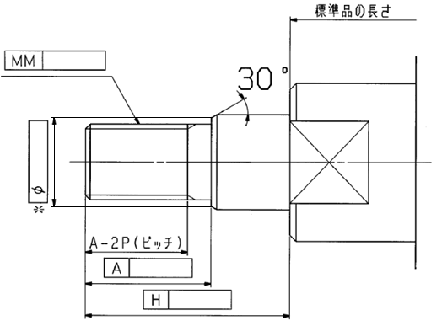
Standard length

Pitch

Note) This product is not listed in and does not fall under rows 1 to 15 of the appended table 1 of the Export Trade Control Order but falls under row 16.
 |  |  |  | Filled in by SMC Japan

Image registration No.

 |  |  |  |  |  |  |  |  |  | Serial No.eRS-XA17_A

