MU-ZXA18
SMC |  |  | Tracking Number (Same as Simple Special part No.)
 |  | Simple special request specification to change rod end shape ( XA18)
 |  | [ Series MU-Z ]

□Fill in |  |  |  |  | Issue date: |  |  | (MM/DD/YY)
Customer |  |  |  | Division | Customer Person in charge
TEL. |  |  |  | FAX |  | Repeatability
Customer Reference No. |  |  |  | SMC Person in charge |  | SMC Branch code
Closest SMC part No.

□Part No. ( Please order the cylinder with this part No. )
Simple special part No. |  |  |  |  |  |  | Filled in by SMC

Applicable model (Part no. heading) | Note
 | 1)Unspecified dimensions, tolerance and finish are the same as |  |  |  | Table 1. H1 standard dimension and manufacturing conditions
 | the standard product of determined by SMC.
MUZ | 2)Refer to Table 1 for the standard dimensions of part with *.
 | It cannot be changed.
 | 3)Refer to Table 1 for the standard dimensions of H1(male thread).
 | When the dimension H1 is changed, follow the manufacturing
 | condition in Table 1.
 | Please include the thread pitch, which defaults to
 | JIS B 0205-2/ISO 261, unless otherwise requested.

□Pattern and specified dimensions

XA18 |  | Note: Enter an asterisk (*) where you would like to keep the standard dimension.
※4 sides for MU.
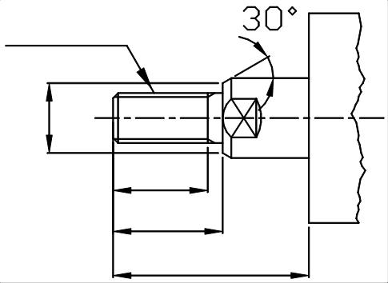
H1

＊

X-2P(pitch)

X

L1

 |  |  | "L" is the length between the end of rod and the end of tube.

 |  |  |  | Filled in by SMC Japan

Image registration No.

