CQ25-XA1
SMC |  |  |  | Tracking Number (Same as Simple Special part No.)
 | Simple special request specification to change rod end shape ( XA1 )
 | [ Series CQ2Z ( Ø12 to Ø25 )/ C55( Ø20 to Ø25 )/ CQS ]

□Fill in |  |  |  |  |  |  | Issue date: |  |  | (MM/DD/YY)
Customer |  |  |  |  | Division |  | Customer Person in charge
TEL. |  |  |  |  | FAX |  |  | Repeatability
Customer Reference No. |  |  |  |  | SMC Person in charge |  |  | SMC Branch code
Closest SMC part No.

□Part No. ( Please order the cylinder with this part No. )
Simple special part No. |  |  |  |  |  |  |  |  | Filled in by SMC

Applicable model (Part no. heading) |  | Note
CQ2(W) |  | 1) SMC will make appropriate arrangements if no dimension, tolerance, or finish instructions are given in the diagram.
CQS(W)
CLQ |  | 2) The dimension indicated by "MØ" will be as follows to the rod diameter (D).
CQP2 |  | Please specify if you change it: Ø12, Ø16 → D - 1 mm Ø20, Ø25 → D - 2 mm
C55 |  | 3) For double rod type, enter the dimensions when the rod is retracted.

 |  |  | Available range for single rod |  |  | Available range for double rod
 |  |  | f12 | 3mm ≤ ØM ≤ 5mm |  | ØM ≤ 5 mm
 |  |  | f16 | 3mm ≤ ØM ≤ 7mm |  | ØM ≤ 7 mm
 |  |  | f20 | 4mm ≤ ØM ≤ 8mm |  | ØM ≤ 8 mm
 |  |  | f25 | 4mm ≤ ØM ≤ 10mm |  | ØM ≤10 mm
□Pattern and specified dimensions

XA1 | Note: Enter an asterisk (*) where you would like to keep the standard dimension.
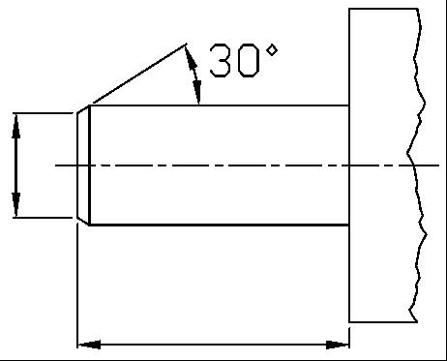

Ø
MØ

NoteS 2)

L

 |  |  |  | "L" is the length between the end of rod and the end of tube.
Note) This product is not listed in and does not fall under rows 1 to 15 of the appended table 1 of the Export Trade Control Order but falls under row 16.
 |  |  |  |  | Filled in by SMC Japan

Image registration No.

